Welcome
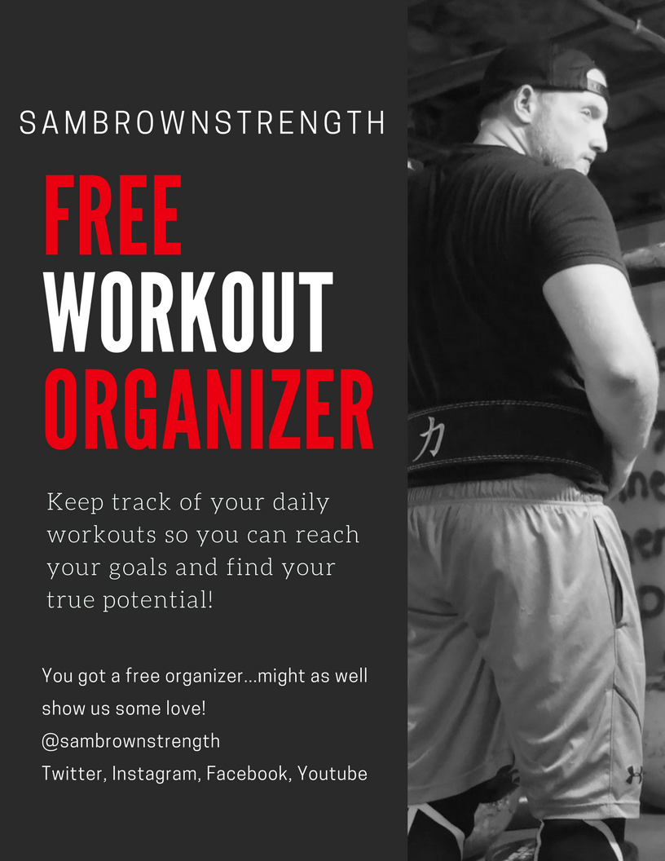

Workout Organizer

www.SamBrownStrength.com

Workout Organizer

@SamBrownStrength

Date | Category | Exercise | Sets | Reps | Rest | Duration

